Instructions
HSV Self-Assessment for Health Services

What is the Self-Assessment?
The Self-Assessment is used by a health services to monitor and assess their compliance to HealthShare Victoria's (HSV) five HSV Purchasing Policies (HSV PPs). It is aimed at assisting and supporting Health Services in identifying gaps within their compliance framework in relation to the HSV PPs. An overview on how to use the Self-Assessment and supporting documents are noted across and below.

What other documents should I use in conjunction with the Self-Assessment?
Documents that need to be read in conjunction with the tool are as follows:
• HSV Purchasing Policies 1-5;
• HSV Audit Program Guidance Notes;
• HSV Compliant Guidelines;
• HSV Graduated Compliance Guidelines; and
• HSV guides
If you have any questions about the tool or supporting documents, please contact your Customer Relationship Manager or email: compliance@healthshare.org.au.

HSV Audit Program Guidance Notes
The HSV Audit Program Guidance Notes aims to provide support to Health Services for the auditing requirement specified under the HSV PPs. It is recommended that the health service and its chosen auditor refer to the HSV Audit Program Guidance Notes and the referenced supporting material when completing a compliance audit. NOTE: It is to be made clear that these Guidance Notes are purely for guidance purposes only and should not be treated as legal advice.

HSV Self-Assessment Instructions
HSV PP1-5 Self-Assessment
The health service should familiarise themselves with the contents of the HSV PPs, the HSV guides and the structure of the self-assessment.

Select 'HSV PP1' tab, for each requirement please assess the Compliance Status (1), provide supporting evidence (2), and another other Comments (3) you wish to provide. Repeat these steps for HSV PP2, HSV PP3, HSV PP4 and HSV PP5.

If a health service is partially compliant or non-compliant to a HSV PP requirement, the audit report must outline:
• the reasons for the partial or non-compliance;
• provide a risk rating;
• identify appropriate actions to rectify the partial or non compliance; and
• note the timeframes to achieve full compliance.
The HSV Audit Program Guidance Notes detail a suggested format for the audit report.

HSV PP Summary
The HSV PP Summary tab provides a holistic overview of compliance for the HSV PP.
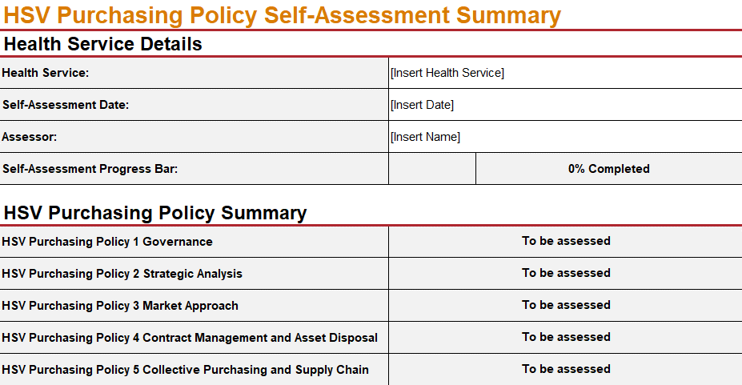
Disclaimer
The information presented in this document is general in nature and based on Health Share Victoria’s interpretation of the Health Services Act 1988 (Vic) and any ancillary legislation and regulations in effect at the time, and should not be relied upon as legal advice. Please consider seeking professional and independent advice from your legal representative as to the applicability and suitability of this information and the legislation to your own business needs or circumstances.

